Sheet1
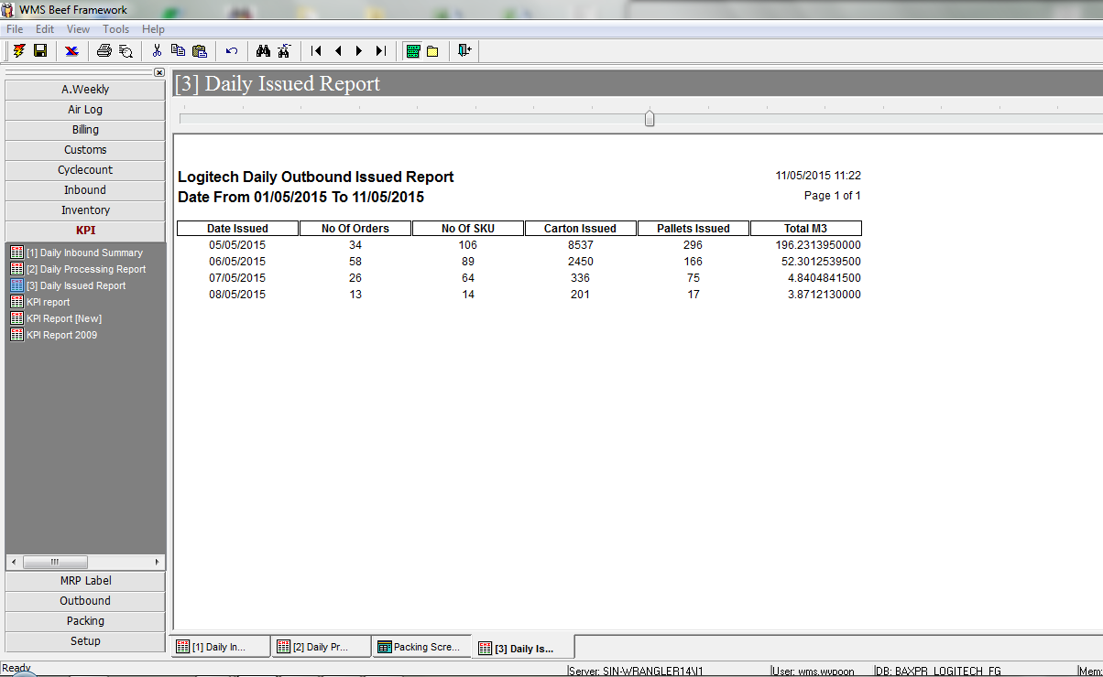

Daily MRP Report

Date Complete
Qty / PC

